Guidelines
Guidelines
The applicant is free to choose the format for the budget unless otherwise specified in the announcement.
If this template is used, it should be adapted to the project in question. Changes may be made to the budget items, number of years, number of partners, etc. Rows or columns may be added or removed. If the applicant does not have any partners, this part of the template can be deleted. NB the formluae must then be adjusted. The budget should give a good indication of costs, including personnel costs and the cost of major procurements. Indirect operating costs (overheads) should be entered under a separate budget item, and the percentage of the total costs should be specified.
All expected and/or actual sources of income should be included (under separate tab for income). If the application is for full financing of a project, this should be specified. NB certain grant schemes require additional financing from other sources.
Three levels of detail are available in this template (see figure at the top left-hand corner). You are recommended to use level 2 for the formal budget that will be attached to the agreement and used as the basis for financial reports and explanations of any discrepancies.
↘

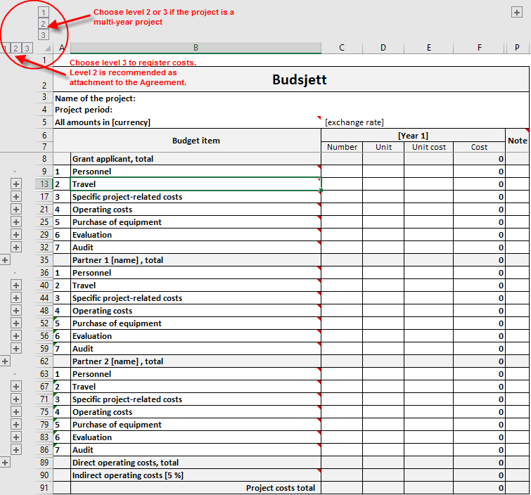

Costs
 | Budget
Name of the project:
Project period:
All amounts in [currency] |  | [exchange rate]
 | Budget item | [Year 1] |  |  |  |  |  | Total | Note
 |  | Number | Unit | Unit cost | Cost | Cost | Cost
 | Grant applicant, total |  |  |  | 0 | 0 | 0 | 0
1 | Personnel costs |  |  |  | 0 | 0 | 0 | 0
2 | Travel |  |  |  | 0 | 0 | 0 | 0
3 | Specific project-related costs |  |  |  | 0 | 0 | 0 | 0
4 | Operating costs |  |  |  | 0 | 0 | 0 | 0
5 | Purchase of equipment |  |  |  | 0 | 0 | 0 | 0
6 | Evaluation |  |  |  | 0 | 0 | 0 | 0
7 | Audit |  |  |  | 0 | 0 | 0 | 0
 | Partner 1 [name] , total |  |  |  | 0 | 0 | 0 | 0
1 | Personnel costs |  |  |  | 0 | 0 | 0 | 0
2 | Travel |  |  |  | 0 | 0 | 0 | 0
3 | Specific project-related costs |  |  |  | 0 | 0 | 0 | 0
4 | Operating costs |  |  |  | 0 | 0 | 0 | 0
5 | Purchase of equipment |  |  |  | 0 | 0 | 0 | 0
6 | Evaluation |  |  |  | 0 | 0 | 0 | 0
7 | Audit |  |  |  | 0 | 0 | 0 | 0
 | Partner 2 [name] , total |  |  |  | 0 | 0 | 0 | 0
1 | Personnel costs |  |  |  | 0 | 0 | 0 | 0
2 | Travel |  |  |  | 0 | 0 | 0 | 0
3 | Specific project-related costs |  |  |  | 0 | 0 | 0 | 0
4 | Operating costs |  |  |  | 0 | 0 | 0 | 0
5 | Purchase of equipment |  |  |  | 0 | 0 | 0 | 0
6 | Evaluation |  |  |  | 0 | 0 | 0 | 0
7 | Audit |  |  |  | 0 | 0 | 0 | 0
 | Direct operating costs, total |  |  |  | 0 | 0 | 0 | 0
 | Indirect operating costs [5 %] |  |  |  | 0 | 0 | 0 | 0
 | Project costs total |  |  |  | 0 | 0 | 0 | 0

Notes to the budget

